FU.1
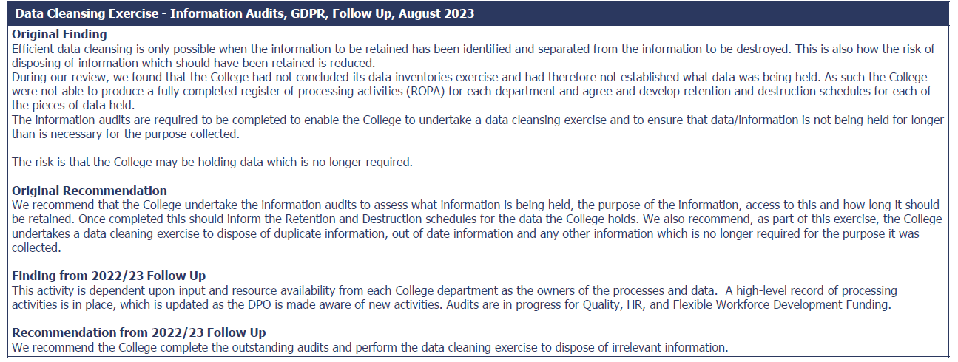

Status | Fully implemented
Update | The college has now completed the Record of Processing Activities (ROPA) which documents all the activities where personal data is processed. The ROPA is a live record that has to be continuality maintained as activities change regularly within college. I have attached extracts from the completed ROPA in pdf (zoom in allows easy reading) as it is a large excel document, however we can provide a full copy if needed for the evidence.
evidence | ROPA
auditor | ROPA`s have now been conducted all its required ROPA`s: Admissions and Key Support, Management Information Services (now called Student Records), ICT, Health, Safety & Wellbeing, Human Resources, Quality, Finance, External Funding & International Brand, Education Learning Support, Academic (Culinary Arts), Innovation and Library Innovation and Library ans all remaining Academic departments and Professional Departments/Teams.

FU.2
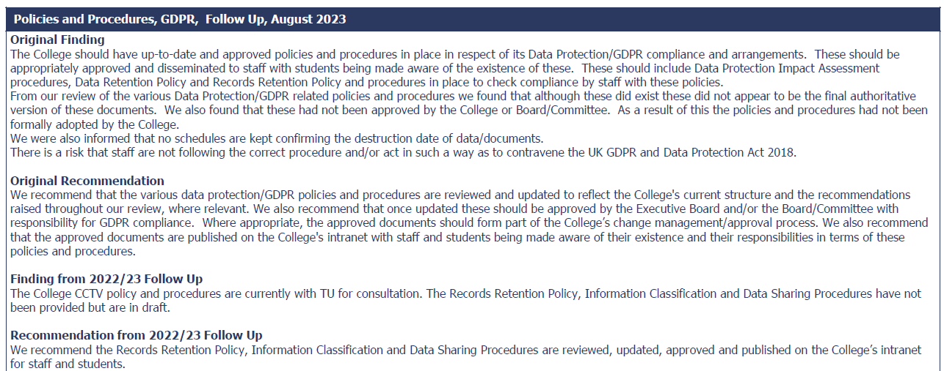

Status | Fully Implemented
Update | All the outstanding policies and procedures were approved and published in December 2024. I have attached copies of all the policies and procedures that were still outstanding and screenshots of the college policy register and CLAN where these have been published for staff.
evidence | FU.2
auditor | The College has now reviewed and approved the following policies: Records Management Policy, Records Retention Procedures & Schedule, Information Classification and Handling Procedures and Data Sharing Procedures.

FU.3
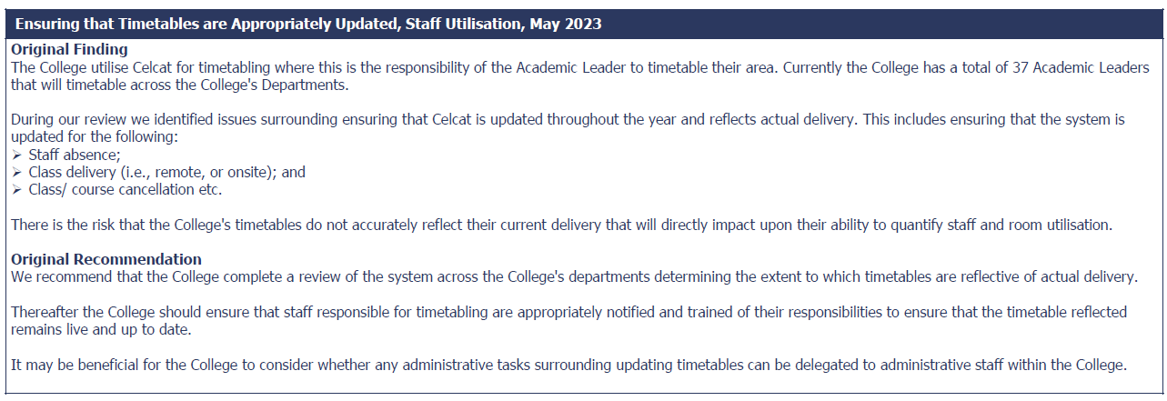

Status | Superseded
Update | We consider this item to be complete as superseded. Allan Forsyth viewed the full integration of Payroll and Celcat at Walsall College. The findings were presented to the Deputy Principal of Professional Services and Executive Board. The strategic decision was made not to progress with the integration as it was deemed unsuitable. The work and cost involved was not justified by the end result. Allan now has 2 Developers working in his team to improve information and reporting within the College. They have streamlined the process of recording temporary staffing information which is a priority. Data quality/information is improved by importing monthly temp staff timesheets directly into Chris21 Payroll System. At this stage, this is where we want to conclude the process. I will gather a screenshot and send on.
evidence | FU3
auditor | The College's Executive Board have decided not to progress with the integration as it was not deemed suitable in considering the costs for the results. Actiion has been taken to improve current arrangements including importing staff timesheets directly into the Chris21 payroll system, however, the project will go no further.

Update (feb) | the open items that involve high level and strategic discussion

 | Was not imp in Feb, Superseded in april

FU.4
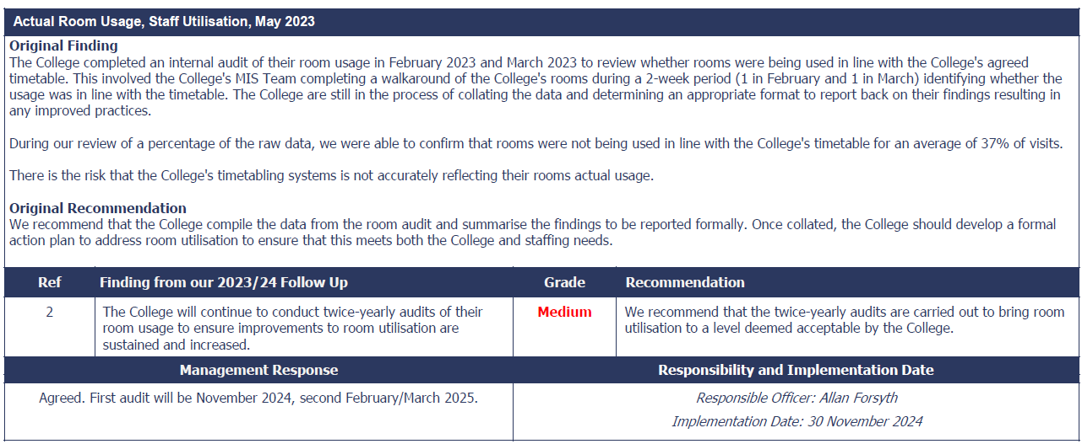

Status | Fully implemented
Update

evidence | All Campus Master Room Survey
auditor | Campus room surveys have been conducted to assess utlisation with the most recent surveys taking place in December 2024, the College will continue to conduct these surveys.

FU.5
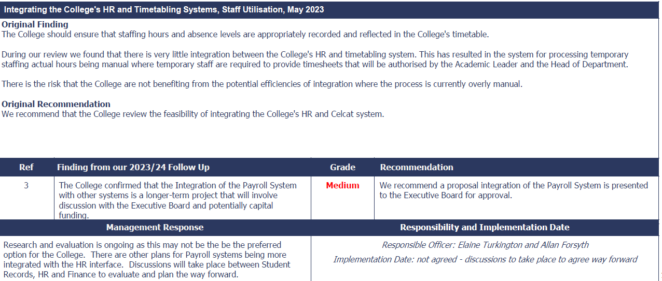

Status | Superseded
Update | no immediate plans to integrate the systems as the gains are outweighed by cost and work involved. This is not a business priority at present as we have employed 2 Developers who are working on designing and developing information reports that allow data to be extracted from the various systems and provide the relevant information that we need. n items that involve high level and strategic discussion
evidence
auditor | Due to the level of financial and staffinf resources that would be required to complete the system the plans to integrate the systems have been halted. As an alternative the College's Developers are creating reports to extract and provide the relevant information required.

FU.6
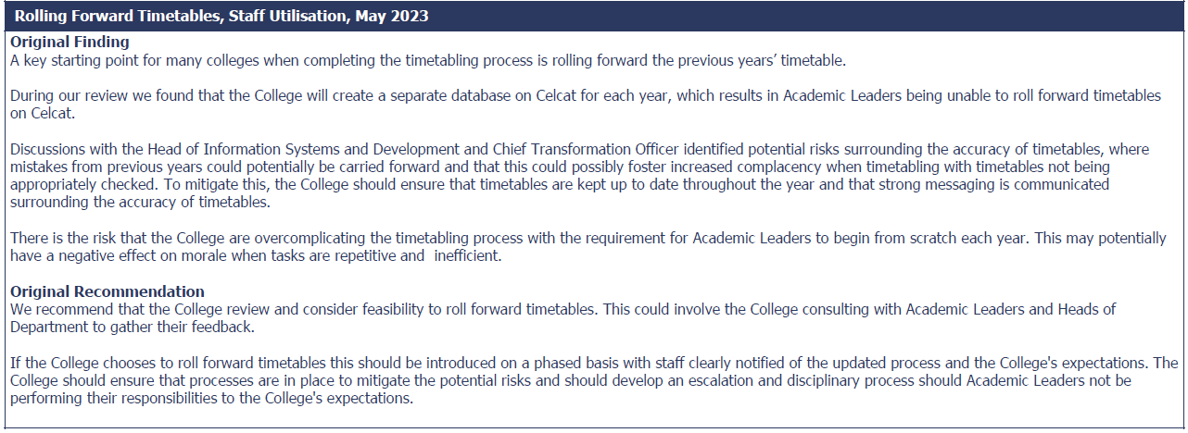

Status | Fully implemented
Update | In relation to item FU.6, please see screenshot below. This is implemented. We have considered and reviewed rolling forward the timetables but and this was met with resistance by the Student Records (MIS) team. The view is that this process would merely replicate the current year and would be too simplified. The risk is that academic departments would not check the timetables in detail as there are adjustments to be made from year to year. So the Development team implemented copying the course design system into timetabling. This is at Unit level and they deem this to be sufficient. This item is considered implemented
evidence | NCL FU FU6
auditor | The College has decided that purely rolling forward timetables would create an issue with timetabling/curriculum planning as timetables would be accepted without sufficent review. The decision to copy course design into the timetabling system is as far as the college has chosen to go.

 | Was not imp in Feb, fully in april (maybe supersede)

FU.7
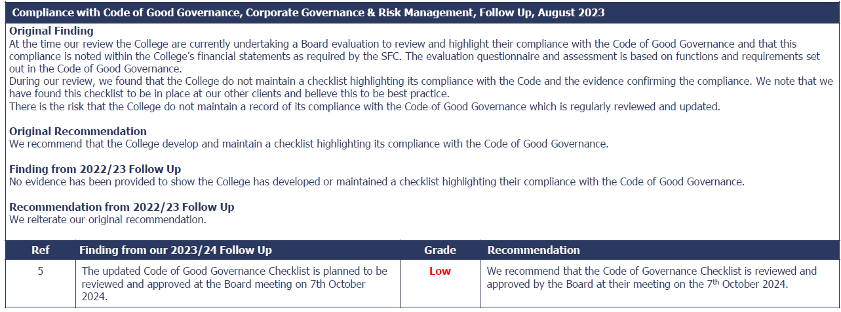

Status | Fully implemented
Update
Evidence | Compliance with the Corporate Code of Good governance

Auditor | The College has updated its Corporate Code of Good Governance.

FU.8
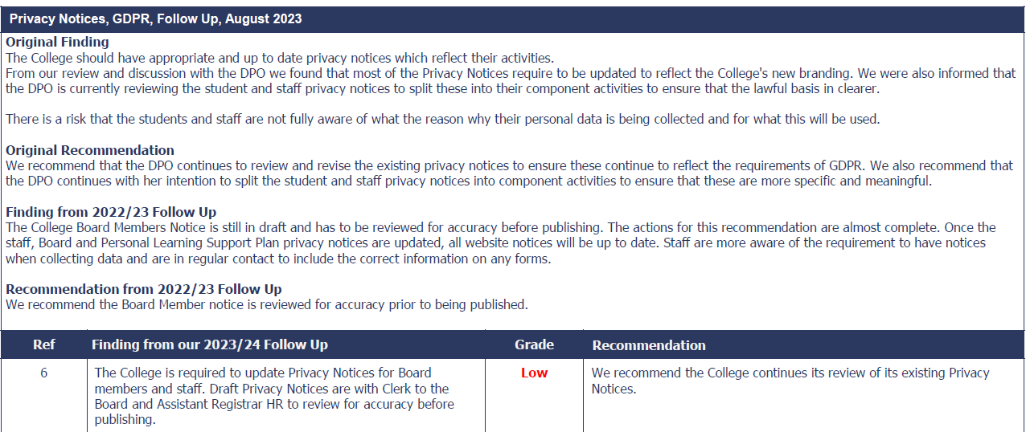

Status | Fully
Update | The outstanding notices that were due to be review and published were for Board, Staff Recruitment and Staff. These were finalised and published in August 2024.
Evidence | FU.8 - Evidence Privacy Notice Register

Auditor | The College has completed its review of outstanding Privacy Notices, these have now been published on their website.

FU.9
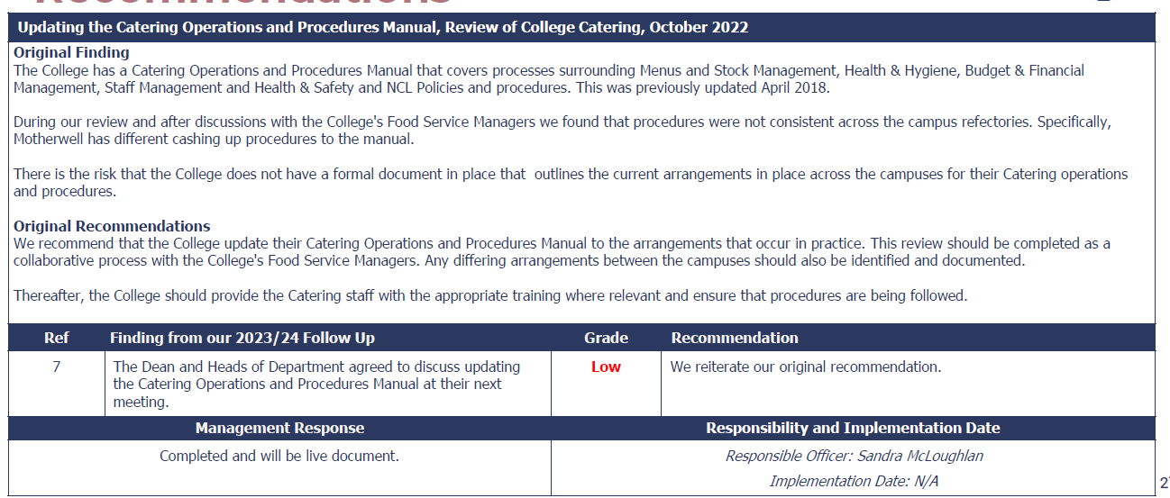

Status
Update
Evidence

Auditor

WBL.1
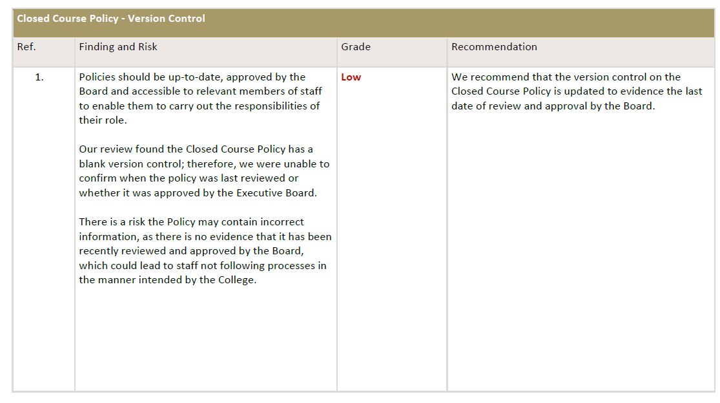

WBL.2
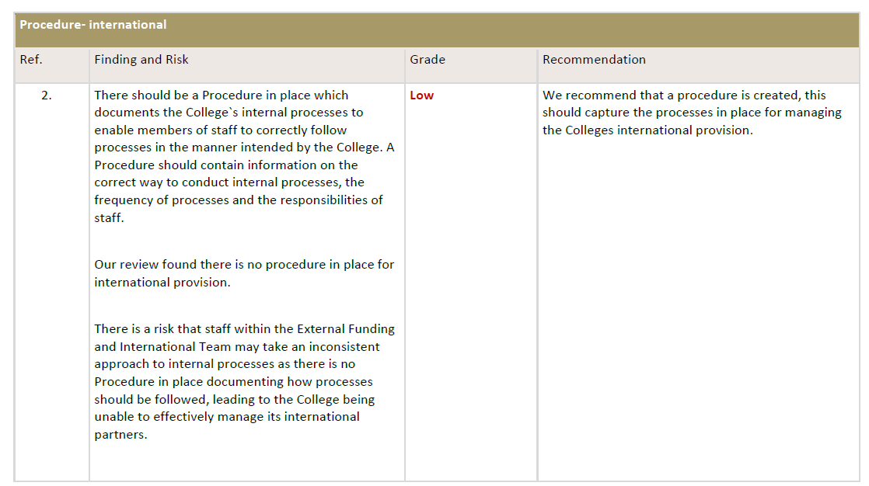

Status | Fully implemented
Update
evidence | Protocols for Establishing New International Partnerships (2)
Auditor | The College has created a procedure that sets out the management of its International Partnerships

WBL.3
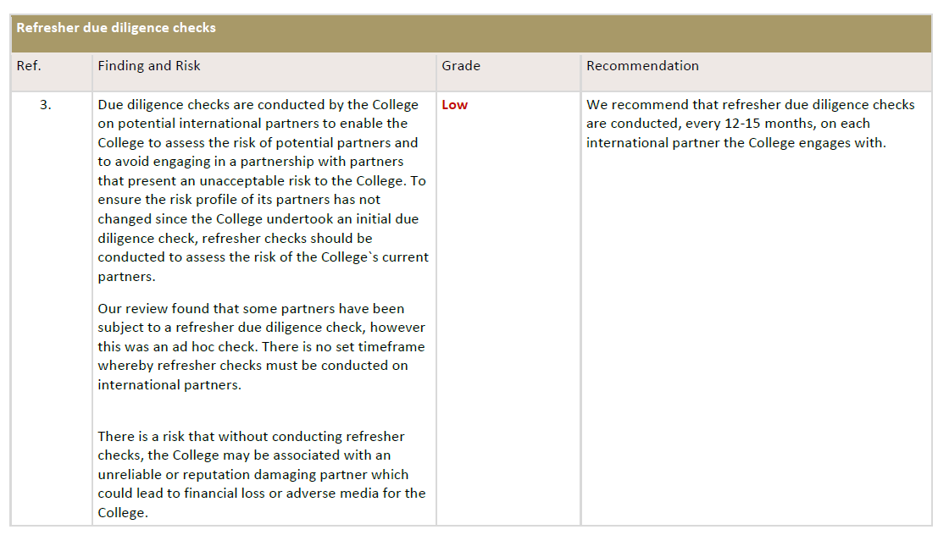

Status | Fully implemented
Update
evidence | Protocols for Establishing New International Partnerships
Auditor | The process for monitoring and updating due diligence checks on an annual basis as captured in the `Protocols for Establishing New International Partnerships` document.

HRPAY. 1
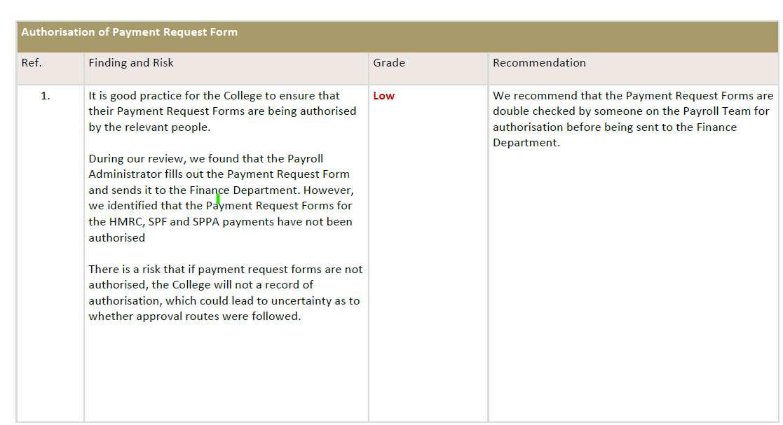

Status | Fully implemented
Update
evidence | HMRC Payment Request
Auditor | Payments are subject to authorisation prior to being processed

HRPAY.2
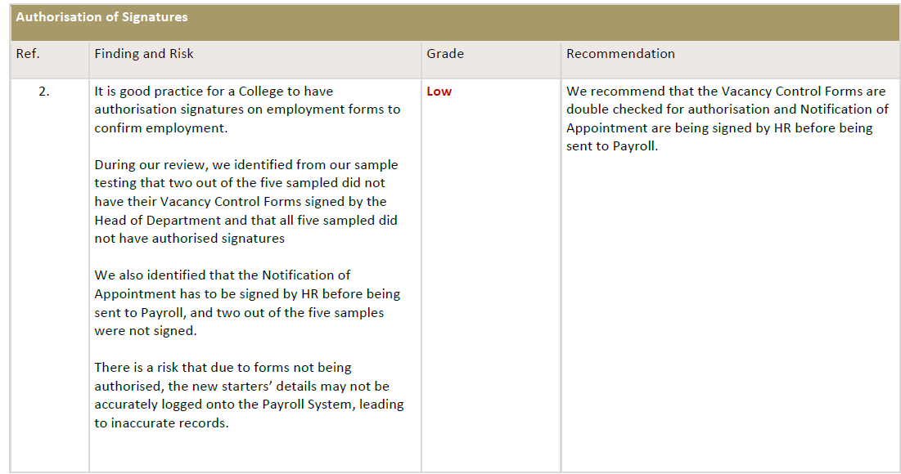

Status | Fully implemented
Update | For 2, firstly, I have attached evidence of the Notification of Appointment. This is attached to an email sent by the HR person initialling, therefore the email forms the authorisation. There is no paper file as the HR teams work cross-campus. Secondly, The Vacancy Control procedure has now changed. Various EB sub-committees have been established this year in order to reduce the volume of decision-making required by the Executive Board, delegating to a team led by the relevant EB member and consisting of other relevant managers to approve/make the decisions. Vacancy Control sheets no longer go to the full EB. There is a Staff sub-committee, led by Elaine Turkington (College Registrar). All Vacancy Control sheets are authorised by the Head of Department and sent to their designated HR Assistants. They then collate and prepare a summary. Heather Douglas, Assistant Registrar HR then presents the summary to the Staff sub-committee for discussion. The members of the committee meet every 2 weeks and they will approve (or not). Firstly, Linda Smeall Senior Accountant will approve from the Finance perspective, e.g. is the post budgeted. The relevant Dean will approve academic appointments and Ronnie Gilmour, Deputy Principal Professional Services will approve support staff. I have attached a Finance VCR and a recent copy of the summary approval sheet. Heather Douglas will then discuss the summary sheet with the HR team who will act accordingly: place an advert, update extended/amendment to hours/contract, Notification of Employment for new start etc. HR will sent appropriate documentation to Payroll for processing. For the Vacancy Control and other documentation, this will be a typed signature and the email is the proof of that person’s authorisation.

evidence | NCL FU HRP2
Auditor | The Vacancy Control process has changed with members of the staff sub-committee meeting every 2 weeks to approve or reject vacancies with Vacancy Control Forms no longer going to the Executive Board. Vacancy Control Forms will be authorised at the meetings.

CURRDEL.1
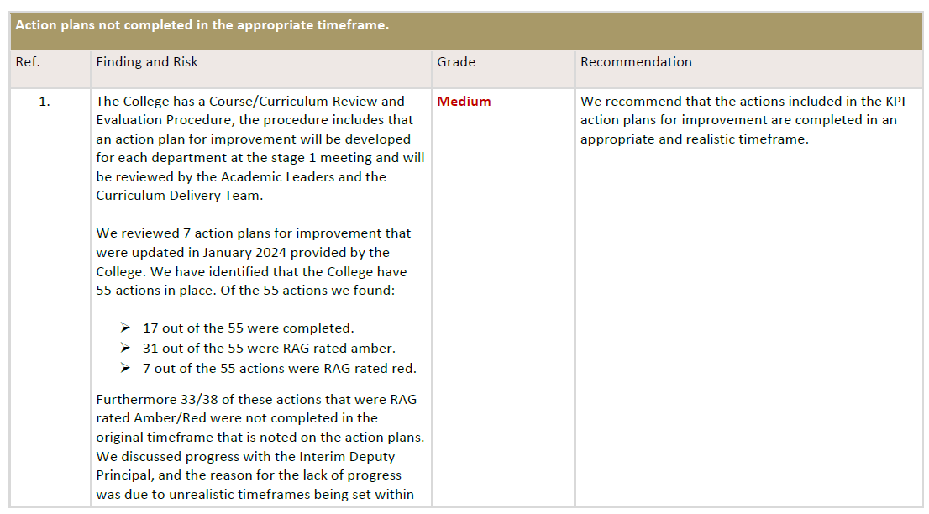

Status | Partially implemented
Update | Point 3.5 addresses the points raised in the audit and this will be used to review and update actions appropriately. "3.5 At the end of semester 1 and semester 2 the Dean for Learning and Teaching will review all AP’s and You Said, We Did records. Consolidation of the Action Plans for Improvement and You Said, We Did records will be developed into one NCL AP and You Said, We Did record. This will be shared with the Learner Engagement Team (LET) and the Student Association who will validate the final record. It is the LET’s responsibility to promote the outcomes of the NCL AP and You Said, We Did records to staff and students".
Evidence | PROAP 17.1 Course Curriculum Review and Evaluation October 24 (formatted 07.10.24)

Auditor | The College has acknowldged the need to consolidate Action Plans and is planning to develop these Actions Plans and have them approved by the Learner Engagement Team (LET).

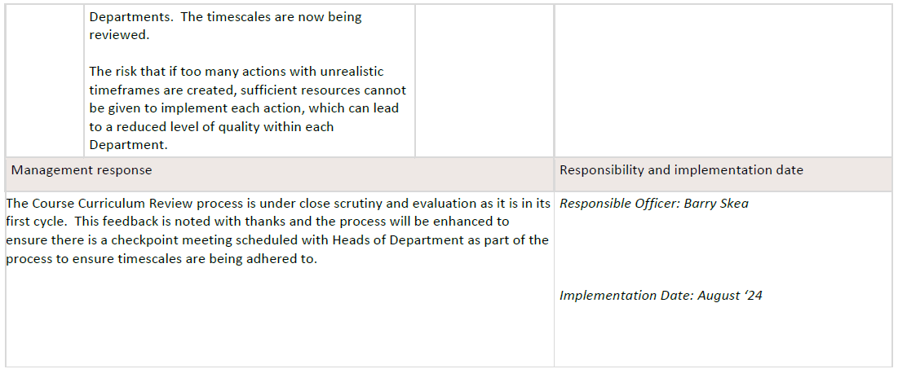

Closed Cost.1
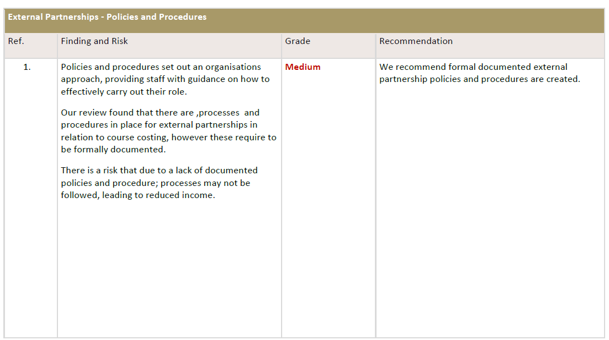

Status | Fully implemented
Update | The College have documented external policies and procedures in place
Evidence | PRODAP 13 Partnership Delivery Procedure, FORDAP 13.1 Partnership Agreement (1), Partnership Proposal Form - Blank

Auditor

 | Barry Skea is now the responsible officer

Closed Cost.2
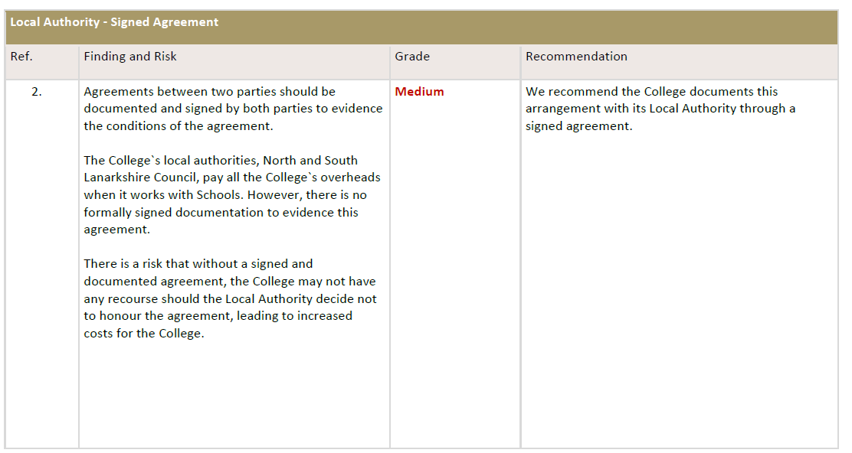

Status | Fully implemented
Update | The College has a Service Level Agreement in place with North Lanarkshire Council for the time period 6 January 2026 - 6 January 2026.
Evidence | Service Level Agreement

Auditor | The College has a Service Level Agreement in place with North Lanarkshire Council for the time period 6 January 2026 - 6 January 2026.

Barry Skea is now the responsible officer

Closed Cost.3
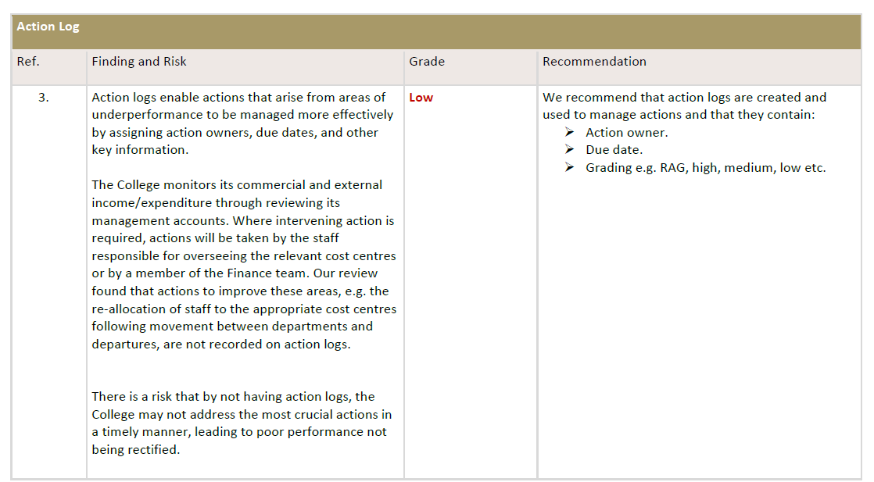

Status | Superseded
Update | The management response states that an action plan was implemented. I assume you were waiting for evidence to support this? This point is now obsolete. The Head of Business Development left the organisation in February 2024 through voluntary severance and the department has been disbanded. Many of the income streams previously referred to are no longer available, e.g. FWDF and the responsibility for commercial/non-SFC income lies within other departments/teams across the College. The College has developed a strategy for replacing the income and we are focussing on the Under Graduate Scheme which in partnership with UWS and the Learning Well which is the development of digital courses. Can this please be closed off?
evidence
Auditor | The Head of Business Development has now left the College and that department has been disbanded with income being allocated to other areas. Therefore an Action Log is no longer required.

Cyber.1
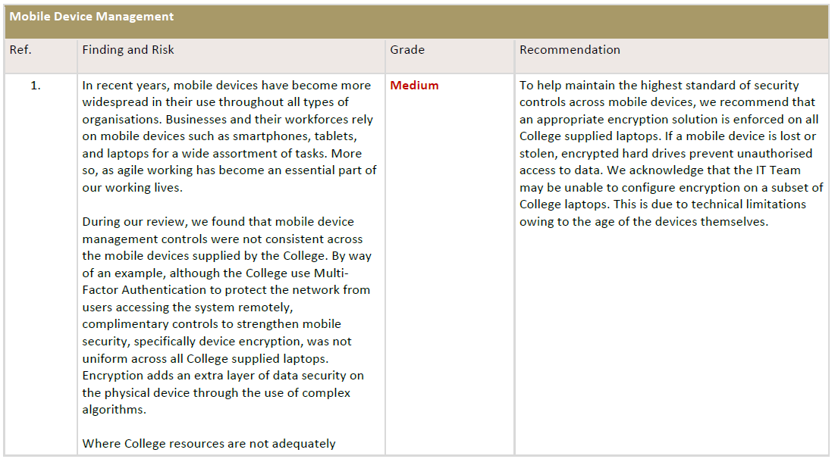

Status | Partially
Update | Implement Encryption on staff laptops technically able to support it (Sept 2024).
 | The work to implement encryption on staff laptops is still on-going. Revised completion date (March 2025).
Evidence
Auditor | The College is in the process of encrypting staff laptops with work expected to be completed in March 2025.

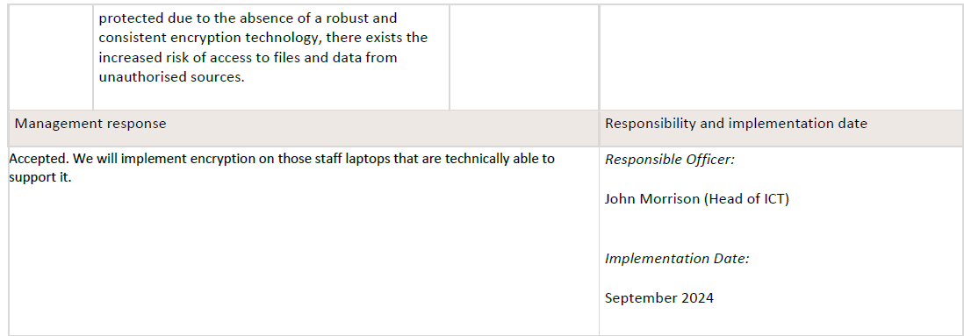

Cyber.2
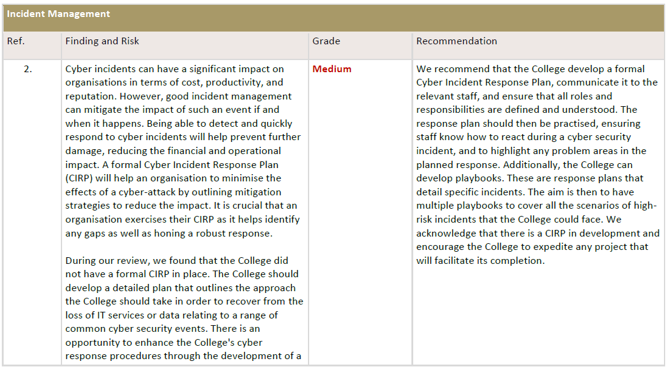

Status | Not implemented
Update | cannot be completed with the current staff resource. We are currently undergoing a review of all Professional Service Departments, of which ICT forms stage 3 – about to commence. Work is underway and John Morrison is preparing proposals for the structure of the department. This includes the Cyber Security Officer which be The resource to cover this area. See draft Job Description.

Evidence | Draft Job Description - NCL Cyber Security Officer Dec 2024.
Auditor | The College is under-resourced and as such it has not fully developed a Formal Incident Management Response Plan. A review is being conducted to assess staffing resources required with a Cyber Security Officer being identified as a requirement to address this action.

 | client asked for revised due date of April 2025

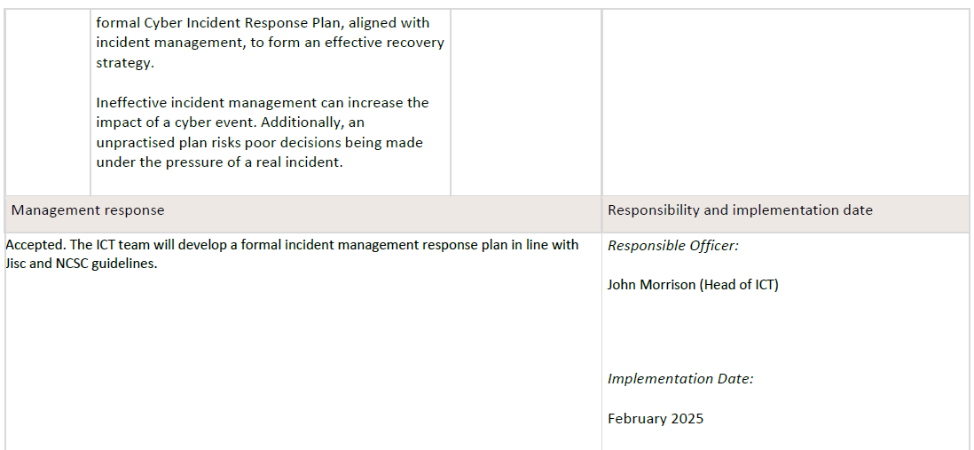

Cyber.3
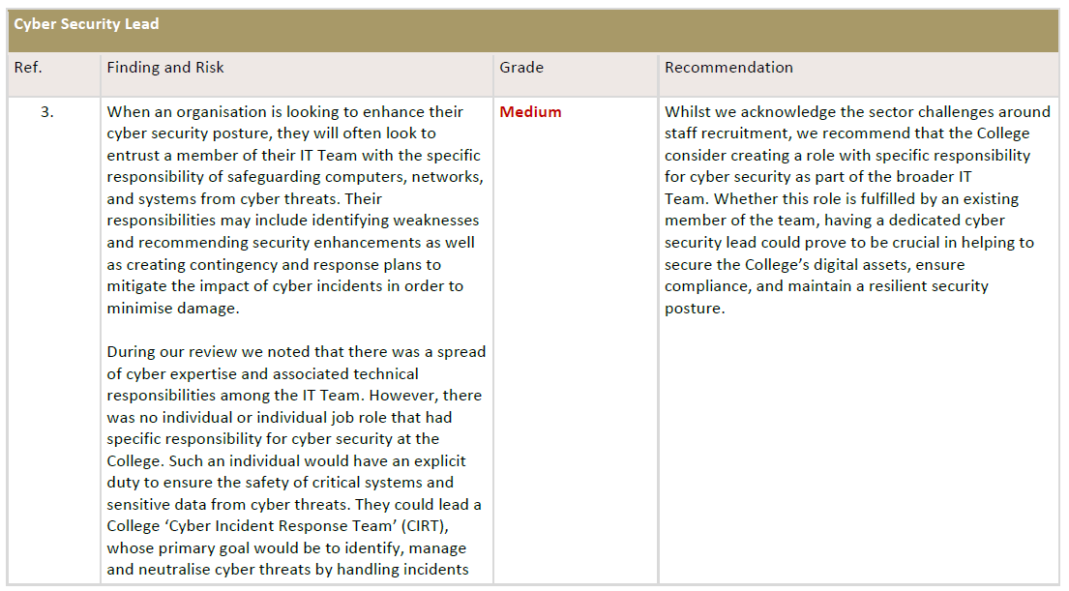

Status | Partially implemented
Update | cannot be completed with the current staff resource. We are currently undergoing a review of all Professional Service Departments, of which ICT forms stage 3 – about to commence. Work is underway and John Morrison is preparing proposals for the structure of the department. This includes the Cyber Security Officer which be The resource to cover this area. See draft Job Description.

Evidence | Draft Job Description - NCL Cyber Security Officer Dec 2024.
Auditor | The College is reviewing its resourcing levels and staffing structures with a Cyber Security Officer being identified as a role to be brought in to improve resourcing levels.

client asked for revised due date of April 2025

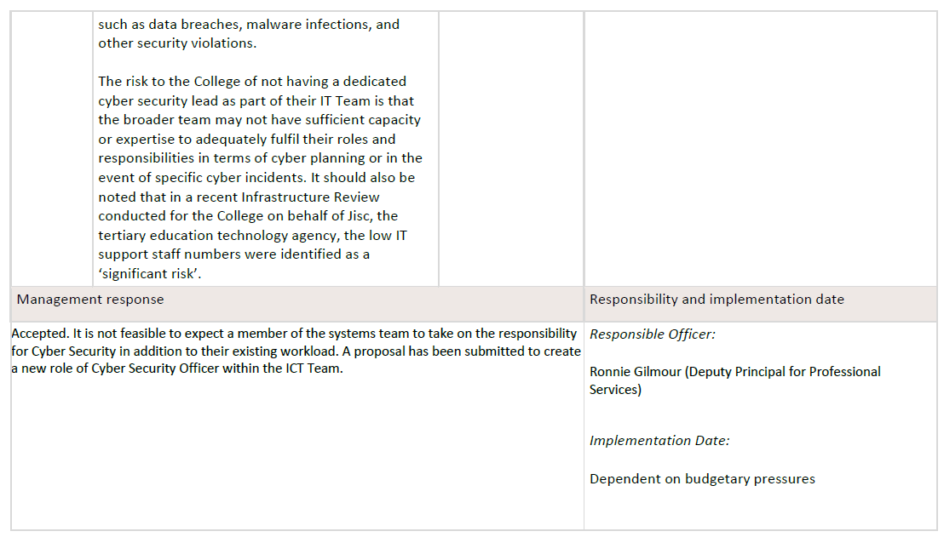

Cyber.4
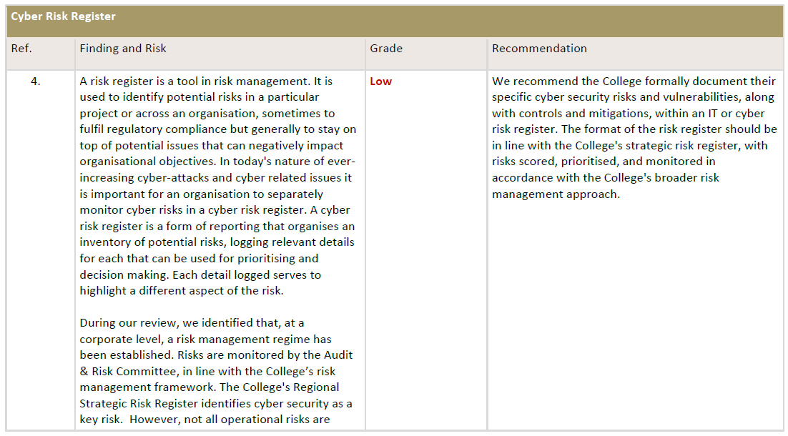

Status | Fully
Update | The ICT team will develop a formal cyber risk register in keeping with the format of the College’s strategic risk register (July 2024).
Evidence | NCL ICT Risk Register

Auditor | The College has created an ICT Risk Register to manage its cyber risks.

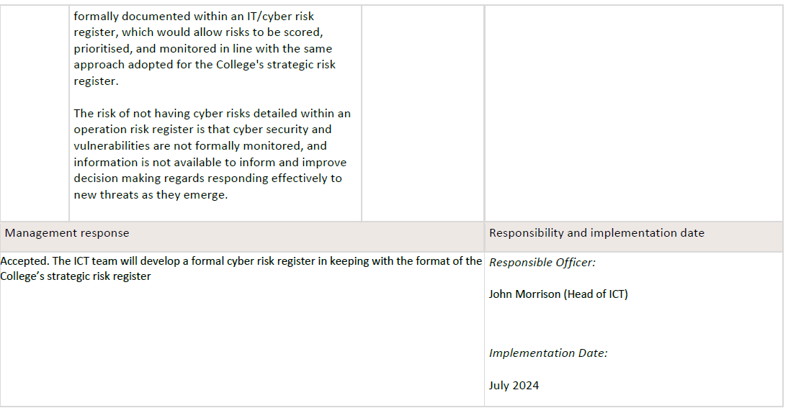

Cyber.5
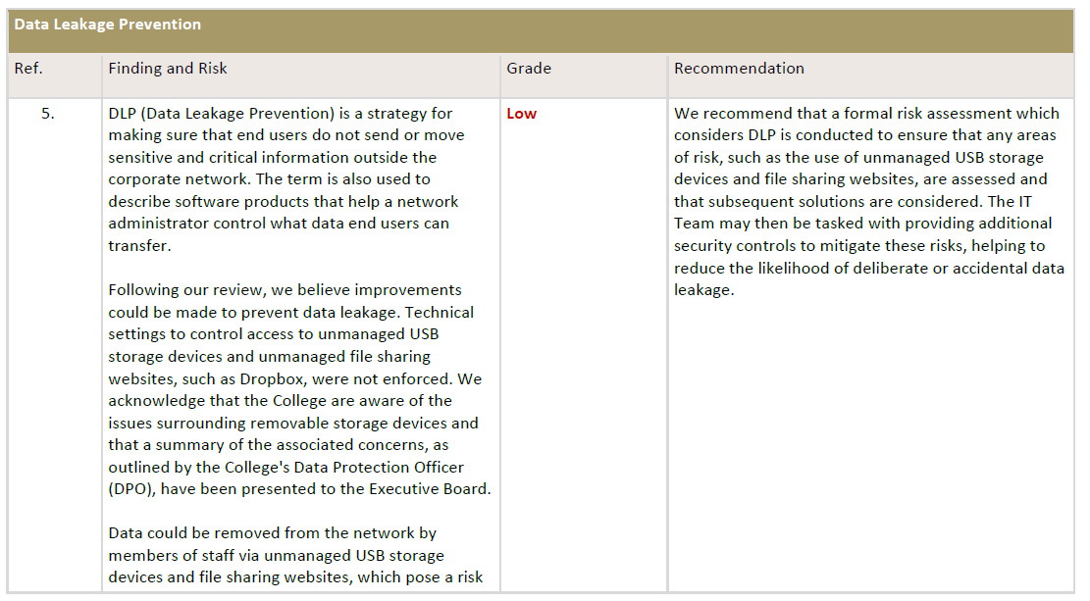

Status | Partially implemented
Update | An exercise is already underway to evaluate the use of USB removable storage media within the college. Lorna Miller Due to resource capacity issues within both the Data Protection & ICT functions the work to implement controls on the use of USB removable storage media is on-going. The survey on the types of USB devices in use has been completed and we have also completed a draft information classification and data handling procedure, which includes restrictions on the use of USB removable storage media devices for staff.
Evidence | NCL ICT Risk register

Auditor | A review of the usage of USB removeable resources is underway, this is captured on the ICT Risk Register.

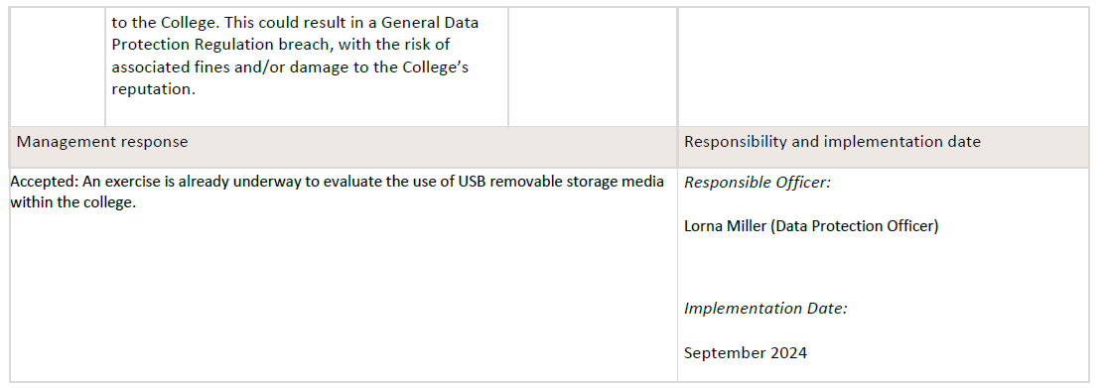

Proc.1
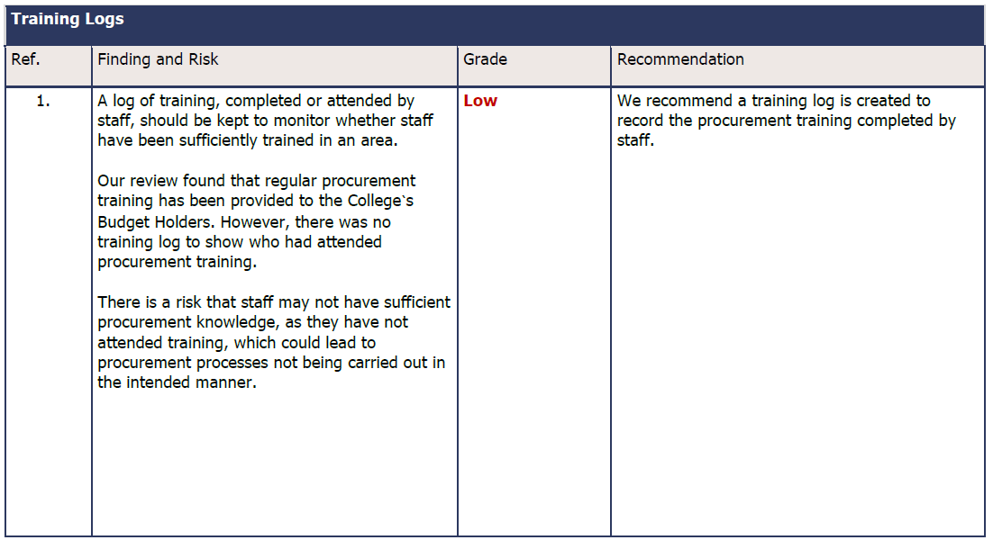

Status | Fully implemented
Update
evidence | Training log
auditor | The College has created a Training Log to record staff members training completion.

Proc.2
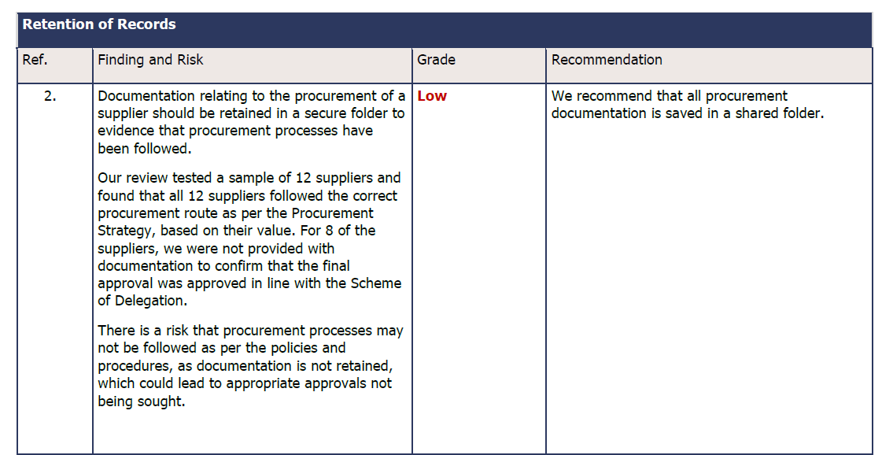

Status | Fully implemented
Update | Following procurement exercises, recommendation reports are signed and secured in a shared folder.

evidence | NCL 24 027 Recommendation Report Signed & Screenshot of Procurement Tender Folder
auditor | Procurement documentation is now stored in the Procurement Tender Folder.

